Screens
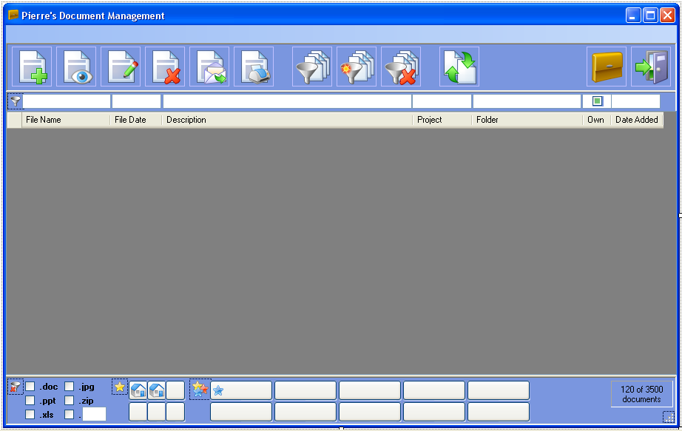

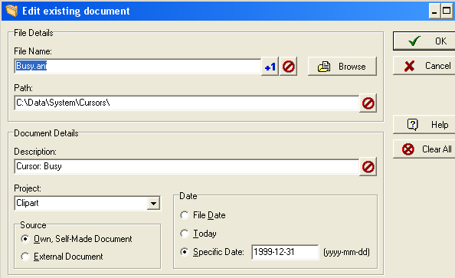

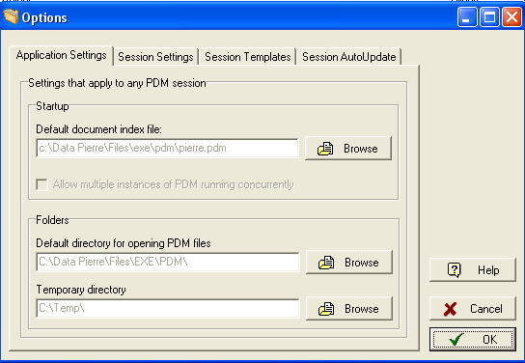

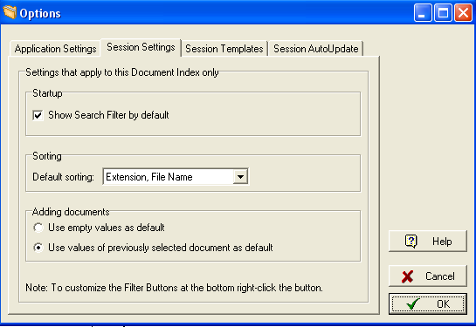

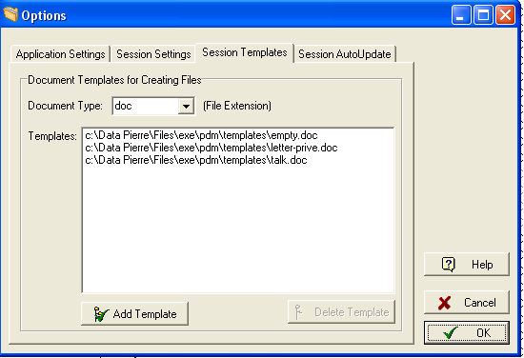

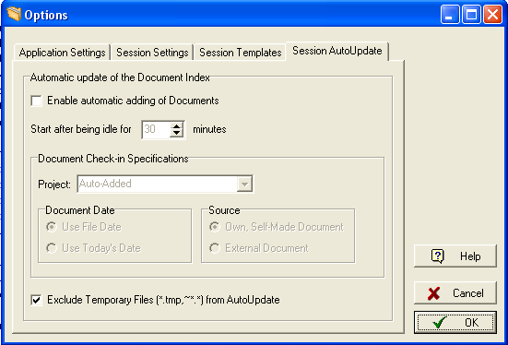

Issues
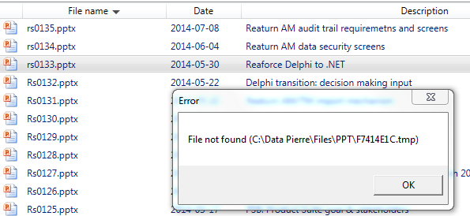
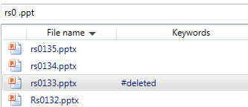
Priority | Issue | comment
1 | Add template. Add new doc, select copy from template: File not found error. See screenshot ---> | Can’t reproduce the errors. Probably needs to delete "empty template (first row templates list)"
2 | Possibility to add a project name by also picking from a dropdown picklist. Just typing in a new name adds a project name | Done
2 | Can the Owner field automatically be filled with a default value? Else same solution as for project names | Done. New document sets Owner="1"
3 | Store column sequence as a user setting. Also fine to move the File path column to be the last and leave the rest as is | Column Folder path moved to last position
3 | Set focus to the search field after clicking one of the shortcut buttons | Done
3 | Drag and drop a file (in an e-mail as attachment) | Done
3 | File not found error. See screenshot below. Different file not found then the one that I selected… After reloading PDM the file rs0133.pptx still shows #deleted although it exists… This is repeatable for docs created using PDM copying | Maybe multiple files were selected? How can I see that document 133 exists?
4 | Mulitple file delete: I deleted non-existing docs from the list -> crash (2014-07-07) | Added extra checks for new error
4 | File edit in PPT, save, go to PDM, click on e-mail: crash. Log shows file not found. Open PDM, e-mail same file, no problem… (2014-07-08) | Can’t reproduce. Error in log file says file not found. Added check if file exists before opening outlook
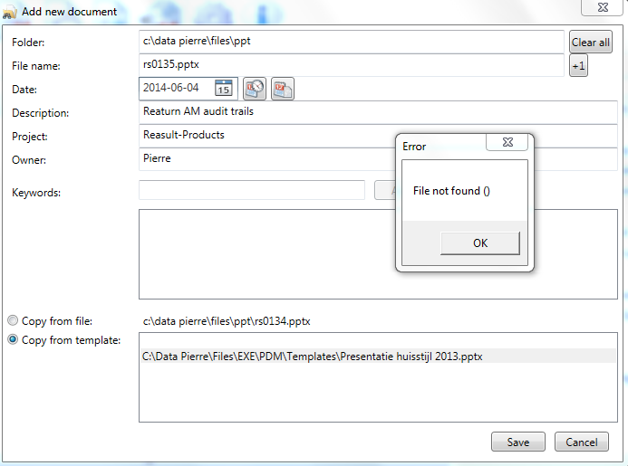
5 | <Delete> key = click delete icon
5 | <Alt><s> in Add or Edit dialog = click save button | Done
5 | Possibility to disable hints

 | NB. Log files are on R:\Temp\Andrius\PDM\Pierre's logs

